circuit diagram
 | circuit diagram

switch button
NPN : if sensor detected object , signal 12 - , else 12+
sensor NPN
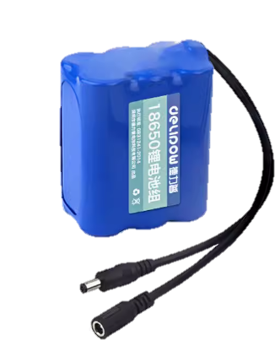
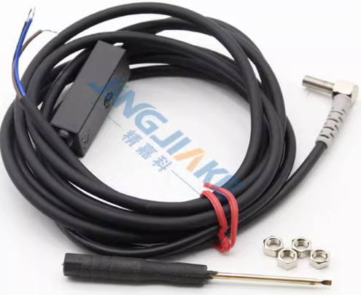
signal
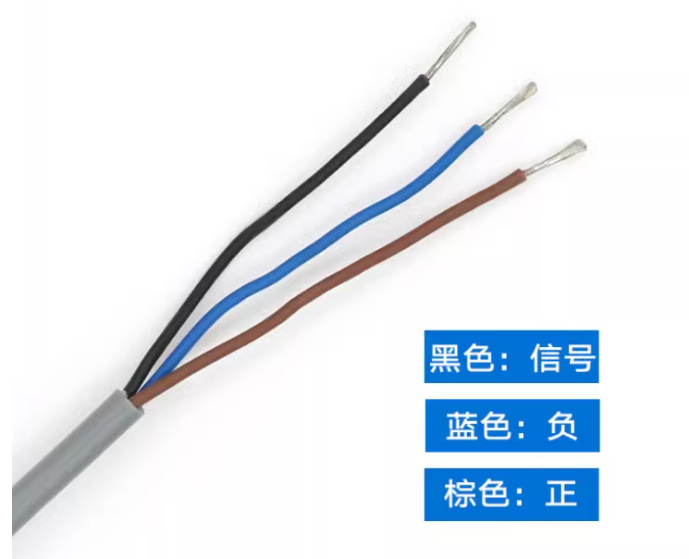
12 -

DC12+ |  |  |  | 12V
12 +
DC12- |  |  |  |  |  |  |  |  |  |  |  |  |  |  |  |  |  |  |  |  | DC12-

 | signal 1 |  |  |  | signal 2 |  |  |  |  | signal 3 |  |  |  | signal 4 |  |  |  | signal 5

battery： 18650 12V
 |  |  |  |  |  | 12- | 12+ |  |  |  | 12- | 12+ |  |  | 12- | 12+ |  |  | 12- | 12+
 |  | 12- | 12+
 | IN | DC- | DC+ |  | IN | DC- | DC+ |  |  | IN | DC- | DC+ |  | IN | DC- | DC+ |  | IN | DC- | DC+

DC 12 -
DC 12 +
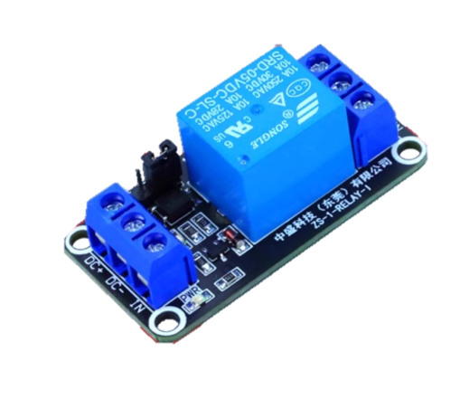
signal IN
 | 12V |  | H |  | 12V |  | H |  |  | 12V |  | H |  | 12V |  | H |  | 12V |  | H
 | relay |  | COM |  | relay |  | COM |  |  | relay |  | COM |  | relay |  | COM |  | relay |  | COM
 |  |  | L |  |  |  | L |  |  |  |  | L |  |  |  | L |  |  |  | L | 12-
for example
com---low
if signal IN "DC 12V -"
nomal open ----com connect
else nomal close---com connect
com---High
if signal IN "DC 12V +"
nomal open ----com connect
else nomal close---com connect
High
 |  |  |  |  |  |  |  |  |  |  |  |  |  |  |  |  |  |  |  |  |  | GREEN LED
 | NO | COM | NC |  | NO | COM | NC |  |  | NO | COM | NC |  | NO | COM | NC |  | NO | COM | NC
 |  |  | 12+ |  |  |  | 12+ |  |  |  |  | 12+ |  |  |  | 12+ | 12+ |  |  | 12+
 |  |  |  |  |  |  |  |  |  |  |  |  |  |  |  |  |  |  |  |  | 12+ |  | IN | DC- | DC+
com
 |  | 12+ |  |  |  | 12+ |  |  |  | 12+ |  |  |  |  | 12+ |  |  | 12+
 |  |  |  |  |  |  |  |  |  |  |  |  |  |  |  |  |  |  |  |  |  |  | 12V |  | H
 |  |  |  |  |  |  |  |  |  |  |  |  |  |  |  |  |  |  |  |  |  |  | relay |  | COM
low
 |  |  |  |  |  |  |  |  |  |  |  |  |  |  |  |  |  |  |  |  |  |  |  |  | L

 |  |  |  |  |  |  |  |  |  |  |  | 12+ |  |  |  |  |  |  |  |  |  |  | NO | COM | NC
 |  |  |  |  |  |  |  |  |  |  |  |  | buzzer |  |  |  | 12+
 |  |  |  |  |  |  |  |  |  | 12+ |  |  |  |  |  |  |  | IN | DC- | DC+
 |  |  |  |  |  |  |  |  | red led |  |  | 12-
 |  |  |  |  |  |  |  |  |  |  |  |  |  |  |  |  |  | 12V |  | H
 |  |  |  |  |  |  |  | 按压触发 |  |  |  |  |  |  |  |  |  | relay |  | COM
 |  |  |  |  |  |  |  |  |  | 12- |  |  |  |  |  |  |  |  |  | L
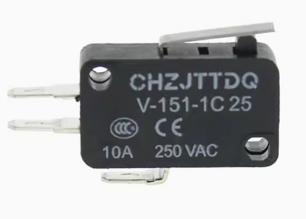
com
nomal open
nomal close
 |  |  |  |  |  |  |  |  |  |  |  |  |  |  |  |  |  | NO | COM | NC

 |  |  |  |  |  |  |  |  |  |  |  |  |  |  |  |  |  | COM |  | NC

switch

IF any one of sensor not detected object → signal 12 - → relay → com---NC → red led → buzzer

IF all sensor detected object → signal 12 - → relay → com---NO → green led

relay life : 100 thousand times

